Overview
 | Banking Analysis Form Overview | Date: 07/11/16 Doc Version 1.03
 | Name of Form: | Banking Analysis Form | Format: Key Highlights & Process Flow:

Landing Screen
1. Form will have prepopulated Banking Details section, OD Details Section, AML Section & ABB Section at the top. This will display aggregate data entered for different banks as per the defined logic in Data Mapping sheet.
 | Background & Overview: | This form shows the banking transaction details of the customers.
 |  | The banking details of clients will be mapped from Perfois system. Banking Snapshot, OD Details, AML & ABB would be updated from the mapped bank transaction details.
 |  | *OD/CC Accounts shoud be entered before other Account Types.
 |  | Details of mapped values within the form and to other forms have been updated in Data Mapping sheet and Pop-up window sheets in this same file.

Data Entry
1. Manual fields would be filled by user for bank transaction details in grids on clicking 'Add Bank Data' after filling Bank Stt Date.
2. User should have option of adding multiple bank transaction grids.
2. The calculated fields would then show the calculated values based on the pre-defined formulas
 | Data Sources & Inputs: | 1. Data mapping from other system: Perfois (in future phase)
 |  | 2. Manual Entry (All fields being entered manually): Currently 'Add Bank Data' button on the application gives a pop-up where all the fields for Fund Based and Non Fund Based and Current details can be populated. These manual entries will be further used for the calculated fields. All the manual entry fields have been highlighted in the Data Mapping sheet. 3. Imp Margin: Actual EBDIT Ratio' in Detailed Financial Report->Ratio->EBITDA Margin % for the latest audited year and 'Customer Margin %' entered in Account Details form in PD Info section is used in this form and compared to calculate Imp Margin.

 | Data Output | 1. RTR form: Bank Name-> Bank Name(RTR), Account Type-> Type of Loan(RTR), Total Sanction Limit->Amount(RTR) and Interest Per Month (Rs. Lacs)->EMI fields go to the RTR form only for OD/CC accounts. 2. Credit Score Card 3. Loan Approval Form: Banking & O/S Snapshot section (Banking Snapshot is used in charts and detailed section) 4. Norms Master 5. Loan Approval Report: Outstanding Debts (Working Capital Facility And Other Term Loans) section

Save/Update : This button would be present so user should be able to save whatever updates he has made.
 | Functionality: | 1. Data Entry: Need flexibility to update fields both populated from Perfois and manually.
 |  | 2. 'Add Bank Data' button included to add more grids for multiple banks.
 |  | 3. Calculated fields: Some fields are calculed based on aggregation or average. These will be fixed outputs based on the defined formulas.

 | User Rights: | Users can enter data in Banking Analysis Form, Confirm and Verify functionality should be available.

Confirm : This button will be present at top of the screen. After clicking Confirm the details in Banking Analysis would flow to other forms/reports. Form will be uneditable once it is confirmed. User will have to click Re-Enter to make any changes.
Once the Confirm button is clicked the details updated in the form would be available for use in RTR Form, Ratings Master and Data Viewing Screens
 | User Security Matrix | TBD

 | Periodicity | On Demand

Freeze : Once the form is freezed the form will not accept any update in data coming in from other forms. And will be ineditable. This will only happen after the form has been confirmed.
Once the Verify button is clicked the details updated in the form would be freezed for the customer in the system.
 | Historical Treatment | TBD

 | Reference Documents | Banking New' spreadsheet in Excel Scoring Model

1

2

3

4

5

6

7

Pop-up window
Banking Analysis Sheet – Add Bank Data Mock Up

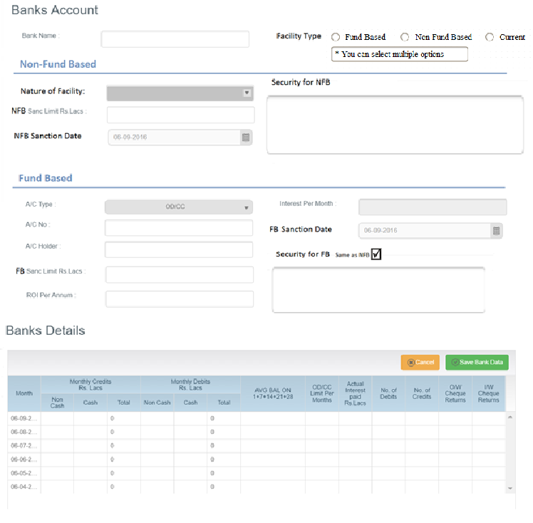

New Fields:

Non – Fund Based:
1. Facility Type – This will be a multi-select drop down list. Options –
a. Fund Based – If they choose this option display only the fund based grid will show.
b. Non - Fund Based – If they choose this option display only the non-fund based grid will show.
c. Current – If they choose this option then Current Account list will show.

2. Nature of Facility – Dropdown list in NFB section (Select one as the default text), Options –
a. Letter of Credit
b. Bank Guarantee
c. Other – If this option is chosen, please give a text field for the user to write the option

3. Sanction Limit Rs. Lacs – Same as the Sanc Limit Rs. Lacs field present in the current version. No calculations involved with this one
4. Sanction Date – Date field with ‘dd/mm/yyyy’ format.
5. Security for NFB – Detailed Text field
Fund Based:
6. A/C Type – This will have 2 drop-down options: OD/CC & Other. OD/CC will be chosen by default.
7. Sanction Limit Rs. Lacs – Same as the Sanc Limit Rs. Lacs field present in the current version. Same calculations. Just field text change from ‘Sanc Limit Rs. Lacs’ to ‘FB Sanc Limit Rs. Lacs’
8. Sanction Date – Date field with ‘dd/mm/yyyy’ format. This field will be auto-populated with the same value as in NFB Sanction Date but will still be editable.
9. Security for FB – Detailed Text field. Checkbox saying ‘Same as NFB’ to be displayed. If this checkbox is selected, the field to be populated with the same value as in the field ‘Security for NFB’ and it will not be editable.

Current Account: This is the third section to be added below Fund Based:

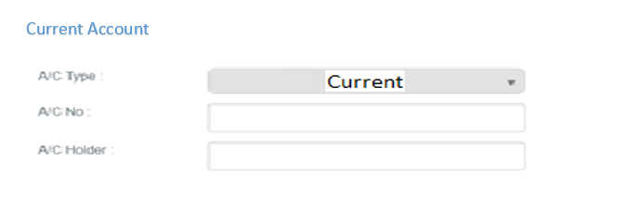

1. A/C Type: Showing ‘Current’ by default in the A/C type field. No dropdown for this.
2. A/C No.: User to enter the account number manually.
3. A/C Holder: User to enter the account holder’s name manually.
4. Current Account Grid: A separate grid will be shown as following if user chooses Current Account. If both Fund-Based and Current Account are chosen then user will fill-in 2 separate grid for Fund-Based and Current Account on the pop-up, and these will show as two separate grids on UI for Axis Bank. For Banking Snapshot calculations these two grids will be considered based on the Account Type selected (OD or Current) for respective calculations.
a. Option 1: Hide columns OD/CC Limit Per Months & Actual Interest paid in the grid from existing grid of OD/CC Utilization per month.
ABB: This will be calculated for A/C type – Current ONLY!

